CDE
CDE PRE_CONDITIONS
 | TestCases | Actual Result | Expected Result | Failure Description
1 | Search Result getting correct displayed from search text box | Search Results are displayed Properly | Success
2 | All the button are functional | all buttons and numbers working | Success
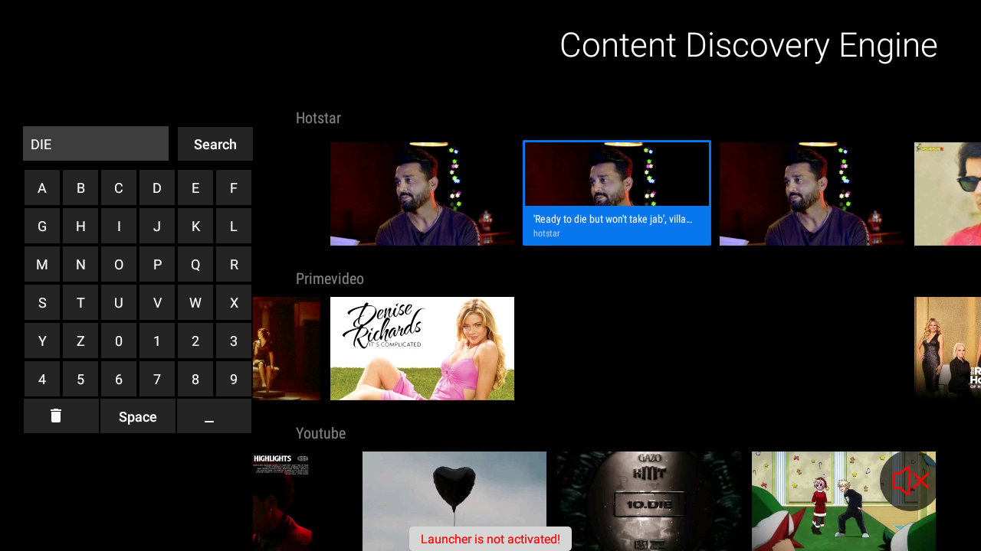
3 | App getting trigger via voice app and showing results. For example: Cloud TV Voice trigger => CDE app, Companion App voice Triggers => CDE App | serach trigger via remote voice and Companion Voice are working | Success
4 | All OTT search result triggering properly | Content of Respected OTT app opened properly | success

test_ID | Test_description | test_step | test_data | expected Result | actual Result | remark/status | bug level | Comments | Images
T1 | working of buttons in CDE search | click on a to z,0-9, Space,back buttons respectively | a to z and 0-9,space Delete, back | buttons of Cde will be clicked and shown in text box | as expected buttons are working properly | PASS | none | need to change the back button icon

T2 | Search content in CDE | Click on Search ICON and Enter text | “Search DIE” | Search Result will appear which contains “DIE” in their words | Search Result with Die appeared with diff platforms as Hotstar,Prime video,Youtube | PASS | none

2 | opening of Content via through CDE | Click on Search ICON and Enter text. Play 1st tile of search Result | “Search DIE” | Search Result will appear which contains “DIE” in their words> After clicking on 1st tile of search result Ott app will be open | Search Result with Die appeared with diff platforms as Hotstar,Prime video,Youtube After clicking on 1st tile hotstar opened | PASS | none

